records
Sample Measurement Record
Mano Engineering LLC |  |  |  |  |  |  |  | Part No. SCBS4-8
No. | A | B | C | D | E | L | (a)
1 | 6.48 | 3.06 | 6.56 | 8.82 | 3.9 | 8.04 | 3.99
2 | 6.84 | 3.04 | 6.6 | 8.81 | 3.96 | 7.98 | 3.59
3 | 6.84 | 3.06 | 6.6 | 8.83 | 3.92 | 7.97 | 3.73
4 | 6.84 | 3.03 | 6.58 | 8.83 | 3.96 | 7.98 | 3.7
5 | 6.82 | 3.04 | 6.56 | 8.82 | 3.9 | 7.85 | 3.71

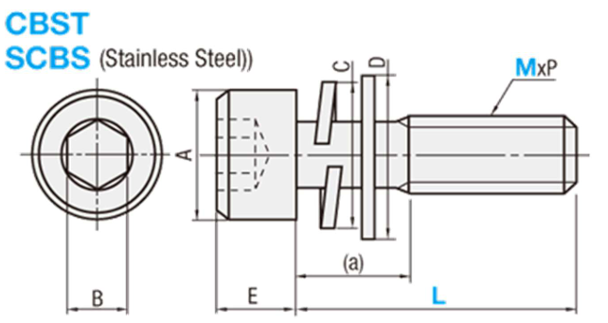

Note: "(a)" is measured roughly

